COMETFarm
Table 3

 | Agroforestry C storage | N2O emissions | Soil CO2 emissions | Soil C Storage | Net effect
Baseline | 0.0 | 39.1 | -1.7 | 24.9 | 62.4
Conservation Cropping System | 0.0 | 40.1 | -4.3 | -60.2 | -24.4
Alley Cropping System | -6.9 | 35.3 | -3.6 | -56.4 | -24.7
Multi-practice Agroforestry | -107.0 | 24.8 | -2.0 | -48.1 | -25.4
Sources and Sinks | Baseline | Conservation Cropping System | Alley Cropping System | Multi-practice Agroforestry
acres cropland | 65 | 65 | 58 | 42
acres of agroforestry | 0 | 0 | 7 | 23
 | (t CO2e /yr) | (t CO2e /yr) | (t CO2e /yr) | (t CO2e /yr)
Soil C Storage | 24.9 | -60.2 | -56.4 | -48.1
Soil CO2 emissions | -1.7 | -4.3 | -3.6 | -2.0
N2O emissions | 39.1 | 40.1 | 35.3 | 24.8
Direct N2O Emissions | 29.9 | 28.7 | 25.4 | 18.2
Indirect N2O Emissons Subtotal | 9.3 | 11.4 | 9.9 | 6.6
….Indirect N2O - Volatilization | 3.7 | 7.5 | 6.5 | 4.4
….Indirect N2O - Leaching and Runoff | 5.6 | 3.9 | 3.3 | 2.2
Total | 62.4 | -24.4 | -24.7 | -25.4
Agroforestry C storage | 0.0 | 0.0 | -6.9 | -107.0
Total with agroforestry practices | 62.4 | -24.4 | -31.3 | -132.4
Table 4
 | Cumulative emissions (t CO2e)
Source | 2022 | 2032 | 2042 | 2052 | 2062 | 2072 | Average Yearly Emissions
Alley Cropping (with walnut) (Age:2)-(Size:7)
walnut | 0.5 | 8.2 | 37.8 | 100.4 | 202.2 | 344.0 | -6.9

Farm woodlot (with walnut) (Age :2)-(Size :7)
northern red oak (tonnes CO2 equiv.) | 1.1 | 14.6 | 50.8 | 118.3 | 219.1 | 351.6 | -7.0
white oak (tonnes CO2 equiv.) | 1.1 | 14.6 | 50.8 | 118.3 | 219.1 | 351.6 | -7.0
walnut (tonnes CO2 equiv.) | 1.1 | 16.5 | 76.4 | 202.3 | 407.3 | 692.8 | -13.8
Total | 3.3 | 45.8 | 177.7 | 438.8 | 845.4 | 1395.9 | -27.9

Riparian buffer (with oak mixture) (Age :2)-(Size :7)
cottonwood (tonnes CO2 equiv.) | 0.7 | 37.1 | 188.9 | 458.7 | 821.9 | 1248.5 | -25.0
northern red oak (tonnes CO2 equiv.) | 0.7 | 8.8 | 30.5 | 71.0 | 131.4 | 210.9 | -4
post oak (tonnes CO2 equiv.) | 0.7 | 8.8 | 30.5 | 71.0 | 131.4 | 210.9 | -4
swamp white oak (tonnes CO2 equiv.) | 0.7 | 8.8 | 30.5 | 71.0 | 131.4 | 210.9 | -4
maple (tonnes CO2 equiv.) | 0.7 | 15.0 | 58.4 | 134.2 | 238.5 | 364.7 | -7.3
Total | 3.3 | 78.5 | 338.8 | 805.8 | 1454.7 | 2245.9 | -44.9

3-row windbreak (Age:2)-(Size :2)
hackberry (tonnes CO2 equiv.) | 0.1 | 2.2 | 10.0 | 26.7 | 53.8 | 91.5 | -1.8
eastern redcedar (tonnes CO2 equiv.) | 0.3 | 3.1 | 10.4 | 21.9 | 36.6 | 53.5 | -1.1
pine (tonnes CO2 equiv.) | 0.3 | 82.8 | 547.5 | 922.6 | 1125.1 | 1219.7 | -24.4
Total | 0.7 | 88.0 | 567.9 | 971.1 | 1215.5 | 1364.6 | -27.3

Table 5
 | Cropland (t CO2e 30 years) | Agroforestry (t CO2e 30 years) | Total (t CO2e 30 years)
Baseline | 1870.6 | 0.0 | 1870.6
Conservation Cropping System | -732.8 | 0.0 | -732.8
Alley Cropping System | -742.1 | -100.4 | -842.5
Multi-practice Conservation | -760.6 | -2316.1 | -3076.7

 | -762.0

Charts
 | Total | 19,541 | GHGESMT (MT CO2e) benefit for 30 years of the easement
Benefit from reduced: | Driving | 7,472 | 38.2%
 | Electricity | 7,882 | 40.3%
 | Natural gas | 147 | 0.8%
 | Excavation | 4,040 | 20.7%

Carbon emmissions avoided due to reduction in:

MPG_Refs
# Reference values and background info

Rate of growth in VMT in Illinois (VMT in Millions) -- not growing / need a longer term dataset!
From FHWA Highway Statistics Table VM-2 https://www.fhwa.dot.gov/policyinformation/statistics.cfm
year | total rural | total urban | total
2007 | 28166 | 79317 | 107483
2008 | 27306 | 78773 | 106079
2009 | 27081 | 78765 | 105846
2010 | 26827 | 78961 | 105788
2011 | 26405 | 76829 | 103234
2012 | 26391 | 78187 | 104578
2013 | 25359 | 79938 | 105297
2014 | 24704 | 80202 | 104906
2015 | 25030 | 80193 | 105223
2016 | 25544 | 81770 | 107314
2017 | 25773 | 82238 | 108011
2018 | 25652 | 82302 | 107954
2019 | 25376 | 82149 | 107525
2020 | 23326 | 70795 | 94121 | outlier pandemic year

Similar from state dataF:

 | average daily VMT for Tazewell County from IL Travel Statistics reports
2012 | 3506252
2013 | 3451797
2014 | 3554220
2015 | 3522092
2016 | 3566407
2017 | 3562741
2018 | 3488760
2019 | 3465120
2020 | 3099954
2021 | 3248325
average yrs 2012-2019 | 3514673.625 | excluding outlier pandemic years

IL Travel Statistics give us VMT by vehicle type at the state level for rural and urban areas:
Copied from this PDF https://idot.illinois.gov/transportation-system/Network-Overview/highway-system/illinois-travel-statistics
Going to assume these proportions do not change much over time.
AVMTs (annual vehicle miles traveled) given in millions
 | All Systems (meaning road types) | system miles | passenger vehicles 4-tire AVMT (assuming gasoline) | % | Single Unit Trucks AVMT (assuming box trucks, dump trucks using diesel) | % | Single Unit Buses AVMT (assuming school buses not city buses for Tazewell Co., assuming diesel-note city buses many run on liquid natural gas) | % | Single unit subtotal AVMT | % | Multiple unit trucks AVMT (assuming this is semis, running on diesel) | % | Total Trucks AVMT % | % | Total Traffic AVMT | % | % of total | pass. veh. VMT/day | single unit trucks VMT/day | single unit buses VMT/day | multiple unit VMT/day
 | Rural | 96,910 | 20,115 | 79 | 1,210 | 5 | 205 | 1 | 1,429 | 6 | 3,865 | 15 | 5,293 | 21 | 25,408 | 100 | 0.24856435692
 | Urban | 50,170 | 69,339 | 90 | 2,738 | 4 | 469 | 1 | 3,210 | 4 | 4,262 | 6 | 7,472 | 10 | 76,811 | 100 | 0.75143564308
 | Total | 147,080 | 89,454 | 88 | 3,947 | 4 | 674 | 1 | 4,638 | 5 | 8,127 | 8 | 12,765 | 12 | 102,219 | 100 |  | 3092912.79 | 140586.945 | 35146.73625 | 281173.89

Fuel emission factors
From the CA Air Resources Board Quantification Methodology EF Database 2022-11-30 update available at https://ww2.arb.ca.gov/resources/documents/cci-quantification-benefits-and-reporting-materials
Well-to-Wheel GHG emission factors for various fuel types
Fuel Specific Factors
Fuels (units) | Energy Density* | Carbon Intensity | Carbon Content**
Biodiesel (gal) | 126.13 (MJ/gal) | 28.53 (gCO2e/MJ) | 3,598.49 (gCO2e/gal) | 3598
CNG (scf) | 0.98 (MJ/scf) | 86.70 (gCO2e/MJ) | 84.97 (gCO2e/scf) | 85
Diesel (gal) | 134.47 (MJ/gal) | 100.45 (gCO2e/MJ) | 13,507.51 (gCO2e/gal) | 13507.51
Electric (kWh) | 3.60 (MJ/kWh) | 76.73 (gCO2e/MJ) | 276.23 (gCO2e/kWh) | 276.23
Gasoline (gal) | 115.83 (MJ/gal) | 99.44 (gCO2e/MJ) | 11,518.14 (gCO2e/gal) | 11518.14
Hydrogen (kg) | 120.00 (MJ/kg) | 111.61 (gCO2e/MJ) | 13,393.20 (gCO2e/kg) | 13393.2
LNG (gal) | 78.83 (MJ/gal) | 97.48 (gCO2e/MJ) | 7,684.35 (gCO2e/gal) | 7684.35
LPG / Propane (gal) | 89.63 (MJ/gal) | 80.48 (gCO2e/MJ) | 7,213.42 (gCO2e/gal) | 7213
Ethanol (gal) | 81.51 (MJ/gal) | 59.93 (gCO2e/MJ) | 4,884.89 (gCO2e/gal) | 4885
Renewable Diesel (gal) | 129.65 (MJ/gal) | 37.97 (gCO2e/MJ) | 4,922.81 (gCO2e/gal) | 4922
Renewable Electricity (kWh) | 3.60 (MJ/kWh) | 0.00 (gCO2e/MJ) | 0.00 (gCO2e/kWh) | 0
Renewable Natural Gas (scf) | 0.98 (MJ/scf) | -50.55 (gCO2e/MJ) | -49.54 (gCO2e/scf) | -49.54
* Energy densities provided at 60°F and 1 atm.
**Carbon Content Emission Factors were calculated using fuel type Energy Density (megajoules (MJ) per unit of fuel)
and the fuel type Carbon Intensity (grams of carbon dioxide equivalents (CO2e) per MJ). Carbon Content values are
derived from unrounded energy density and carbon intensity values. The Carbon Content values are then rounded to
two decimals.

The SALC method uses the "Passenger Auto GHG" tab in the EF Database ("cci_emissionfactordatabase.xlsx") for mileage calculations
It considers the following vehicle types (excerpt from "vehicle-categories.xlsx" available from https://www.arb.ca.gov/msei/vehicle-categories.xlsx )
EMFAC2011 Veh & Tech | EMFAC2011 Vehicle | Description | Source | EMFAC2007 Vehicle | EMFAC2007 Vehicle Code | Truck / Non-Truck Category | Truck 1 / Truck 2 / Non-Truck Category

LDA - DSL | LDA | Passenger Cars | EMFAC2011-LDV | LDA | PC | Non-Trucks | Non-Trucks
LDA - GAS |  |  | EMFAC2011-LDV |  |  | Non-Trucks | Non-Trucks
LDT1 - DSL | LDT1 | Light-Duty Trucks (GVWR <6000 lbs. and ETW <= 3750 lbs) | EMFAC2011-LDV | LDT1 | T1 | Non-Trucks | Non-Trucks
LDT1 - GAS |  |  | EMFAC2011-LDV |  |  | Non-Trucks | Non-Trucks
LDT2 - DSL | LDT2 | Light-Duty Trucks (GVWR <6000 lbs. and ETW 3751-5750 lbs) | EMFAC2011-LDV | LDT2 | T2 | Non-Trucks | Non-Trucks
...

SOC Ref
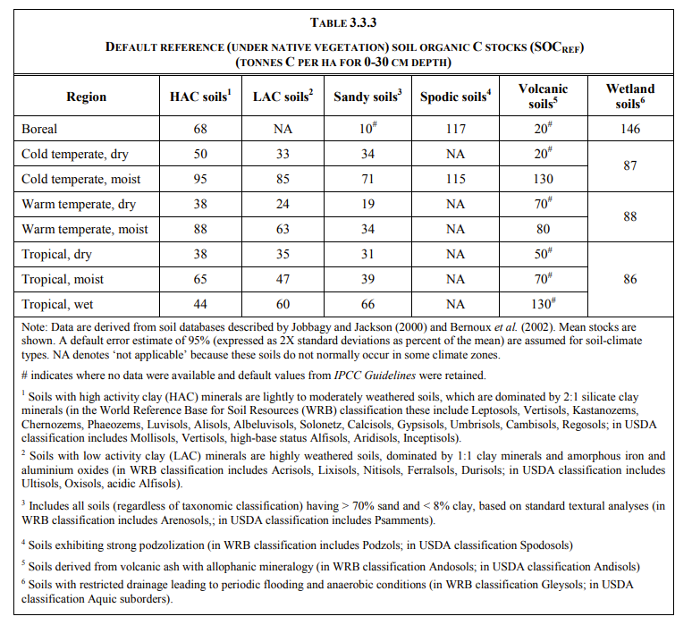
...
USDA Soil Orders | IPCC soil type | Reference C stock
Soil with >70% sand and <8% clay | Sandy Soils | 34
Histosols | Wetland Soils | 88
Andisols | Volcanic Soils | 80
Spodosols | Spodic Soils | NA
Alfisols, Aridisols, Inceptisols, Mollisols, Vertisols | High Activity Clay Soils | 88
Entisols, Gelisols, Oxisols, Utisols | Low Activity Clay Soils | 63

nonCO2 EFs
...
2029 | 2030
(P) 2029 | (P) 2030 | slope 2000-2020 | intercept 2000-2020
...
2000 | 1.953
2001 | 1.861
2002 | 1.711
2003 | 1.603
2004 | 1.445
2005 | 1.297
2006 | 1.187
2007 | 1.080
2008 | 1.009
2009 | 0.935
2010 | 0.851
2011 | 0.755
2012 | 0.591
2013 | 0.529
2014 | 0.482
2015 | 0.433
2016 | 0.388
2017 | 0.354
2018 | 0.328
2019 | 0.302
2020 | 0.280
0.166 | 0.159 | -0.012163636364 | 24.845745455
2.668 | 2.508 | -0.16309090909 | 333.59283636
0.063 | 0.054 | -0.013436363636 | 27.320254545
0.004 | 0.004 | 0 | 0.004
0.003 | 0.003 | 0 | 0.003
0.001 | 0.001 | 0 | 0.001
...
0.184 | 0.175 | -0.01636969697 | 33.395321212
3.054 | 2.883 | -0.24388484848 | 497.88806061
0.103 | 0.089 | -0.027563636364 | 56.025545455
0.005 | 0.005 | -0.00014545454545 | 0.30021818182
0.003 | 0.003 | 0 | 0.003
0.001 | 0.001 | 0 | 0.001
...
0.792 | 0.755 | -0.040593939394 | 83.146824242
10.546 | 10.319 | -0.41906666667 | 860.75873333
0.342 | 0.311 | -0.049981818182 | 101.73807273
0.019 | 0.019 | -0.00067272727273 | 1.3841090909
0.006 | 0.006 | 0 | 0.006
0.002 | 0.002 | 0 | 0.002
...
2.526 | 2.504 | -0.012624242424 | 28.15450303
12.062 | 11.948 | -0.1376 | 291.2368
0.626 | 0.625 | -0.0016666666667 | 4.0077333333
...

